Sheet2
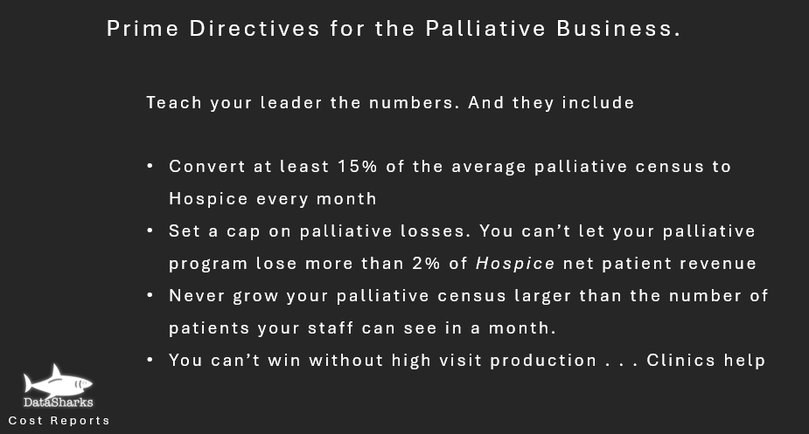
Calculation of Palliative Program Value

Revenue Calculation
45 | Hospice average length of stay of Non-Palliaitve-Referred patients (Do not include patients admitted directly to IPU) | Click Here to see a 3.5-Minute Video Showing How to Use this Tool.
60 | Hospice average length of stay of PALLIATIVE-referred patients
15 | Difference
200 | Composite Hospice Rate
50 | Number of Palliative-Referred Patients on Hospice Service During the Period
150,000 | Palliative Gross Revenue Impact | Click Here to Learn How DataSharks Can Process Your Cost Report.

Adjustments
50% | Hospice Direct Care % Contribution Margin (If you don't know, use 50%)
50,000 | Dollar losses of the Palliative Program from Income Statement (Do not include corporate allocations)
 | Dollar gains of the Palliative Program from Income Statement (This is rare) | Click Here to see the Full Webinar: Business Priciples of Healthy Palliative Programs
25,000 | Valuation of the Palliative Program for the Period

